Sample
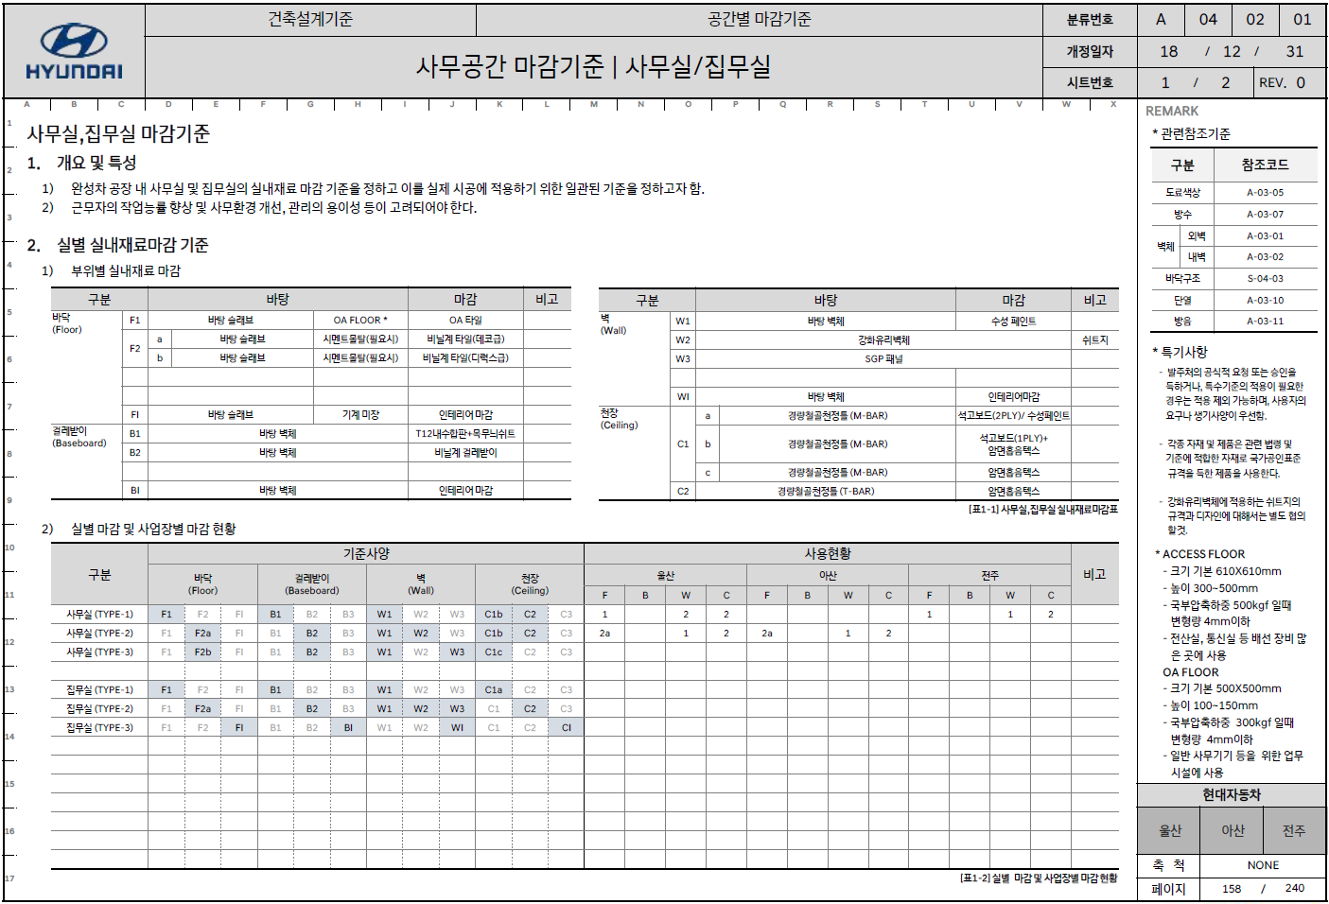

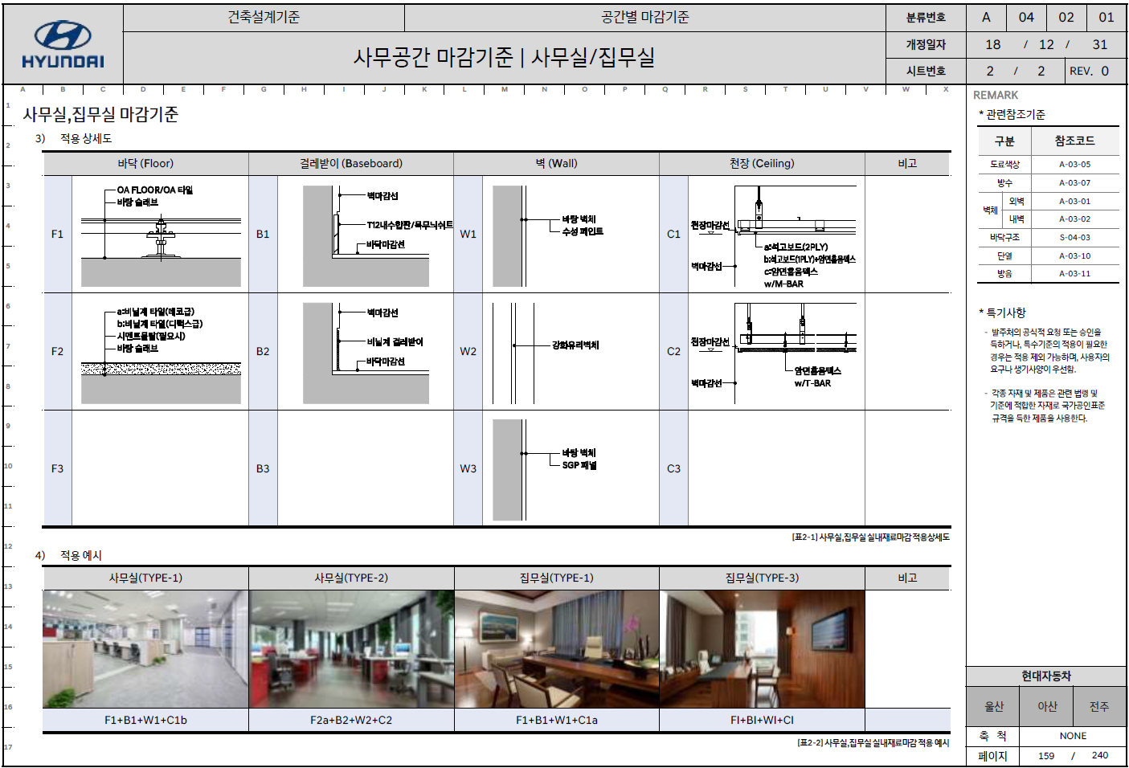

팀 표준 마감기준-Ext
팀 기준 사양 |  |  |  |  |  |  |  |  |  |  |  | 팀 기준 사양 |  |  |  |  |  |  |  |  |  | 프로젝트 적용 현황
* 동일 Finish Material 의 두께, Size, 높이가 다른 경우 => 별도 구분 않함. |  |  |  |  |  |  |  |  |  |  |  | * 동일 Finish Material 의 두께, Size, 높이가 다른 경우 => 별도 구분 않함.
Building | Room | Description | Floor |  | Base |  | Wall |  | Ceiling |  | Remark | Project | Building | Description | Interior Finish | Base Material Int. | Base Material Insulation | Base Material Ext. | Exterior Finish |  | Remark | Project | Building | Description | Interior Finish | Base Material Int. | Base Material Insulation | Base Material Ext. | Exterior Finish |  | Remark
 |  |  |  | 기준:Concrete Slab |  | 기준:Masonry Wall |  | 기준:Masonry Wall |  | 기준:Concrete Slab |  | Exterial Wall (RC Building) |  |  |  |  |  |  |  |  |  | Exterial Wall (RC Building)
 | Office |  | F31A | Non-Slip Unglazed Ceramic Tile on Screed | B32 | Coved Ceramic Tile | W01B | Acrylic Emulsion Paint on Cement Plaster | C95A | Suspended Acoustic Tiled Ceiling (T-Bar) |  | Gypsum + Concrete or Masonry |  |  |  |  |  |  |  |  |  | Gypsum + Concrete or Masonry
Control Building(RC) | Shift Superintendent |  | F31A | Non-Slip Unglazed Ceramic Tile on Screed | B32 | Coved Ceramic Tile | W01B | Acrylic Emulsion Paint on Cement Plaster | C95A | Suspended Acoustic Tiled Ceiling (T-Bar) | SACE | SACE | Control Building(RC) |  | Acrylic Emulsion Paint | THK16 'Regular' Gypsum Board / THK110 Metal Stud | Non-combustible Insulation | THK0.25 Vapor Barrier / THK250 Concrete Wall | Acrylic Emulsion Paint on Fair Faced Concrete (Textured) |  | SACE | SACE | Control Building(RC) |  | Acrylic Emulsion Paint | THK16 'Regular' Gypsum Board / THK110 Metal Stud | Non-combustible Insulation | THK0.25 Vapor Barrier / THK250 Concrete Wall | Acrylic Emulsion Paint on Fair Faced Concrete (Textured)
Control Building(RC) | Shift Superintendent |  | F31A | Non-Slip Unglazed Ceramic Tile on Screed | B32 | Coved Ceramic Tile | W01B | Acrylic Emulsion Paint on Cement Plaster | C95A | Suspended Acoustic Tiled Ceiling (T-Bar) | SACE | LECO | Main Control Building(RC) |  | Emulsion Paint | THK12.5 Gypsum Board 2Ply | THK10 Air Space / THK135 Insulation ("가"등급) | THK150 Concrete Wall | Emulsion Paint on Fair Faced Concrete |  | LECO | LECO | Main Control Building(RC) |  | Emulsion Paint | THK12.5 Gypsum Board 2Ply | THK10 Air Space / THK135 Insulation ("가"등급) | THK150 Concrete Wall | Emulsion Paint on Fair Faced Concrete
Control Building(RC) | Shift Superintendent |  | F31A | Non-Slip Unglazed Ceramic Tile on Screed | B32 | Coved Ceramic Tile | W01B | Acrylic Emulsion Paint on Cement Plaster | C95A | Suspended Acoustic Tiled Ceiling (T-Bar) | SACE | LECO | ARG MCC Building(RC) |  | Emulsion Paint | THK12.5 Gypsum Board 2Ply | THK10 Air Space / THK135 Insulation ("가"등급) | THK190 Concrete Block | Emulsion Paint on THK24 Cement Plaster |  | LECO | LECO | ARG MCC Building(RC) |  | Emulsion Paint | THK12.5 Gypsum Board 2Ply | THK10 Air Space / THK135 Insulation ("가"등급) | THK190 Concrete Block | Emulsion Paint on THK24 Cement Plaster
Control Building(RC) | Library |  | F31A | Non-Slip Unglazed Ceramic Tile on Screed | B32 | Coved Ceramic Tile | W01B | Acrylic Emulsion Paint on Cement Plaster | C95A | Suspended Acoustic Tiled Ceiling (T-Bar) | SACE | UTCC | Fuel Gas Electrical Building(RC) |  | Emulsion Paint | Gypsum Board THK9.5mm 2 Plies | THK50 Fire Resistant Rigid Mineral Wool Insulation Board | THK380 Burnt Brick | Emulsion Paint on Cement Plastering |  | UTCC | UTCC | Fuel Gas Electrical Building(RC) |  | Emulsion Paint | Gypsum Board THK9.5mm 2 Plies | THK50 Fire Resistant Rigid Mineral Wool Insulation Board | THK380 Burnt Brick | Emulsion Paint on Cement Plastering
 | Office |  | F31A | Non-Slip Unglazed Ceramic Tile on Screed | B32 | Coved Ceramic Tile | W01B | Acrylic Emulsion Paint on Cement Plaster | C95A | Suspended Acoustic Tiled Ceiling (T-Bar) |  | Masonry + Masonry |  |  |  |  |  |  |  |  |  | Masonry + Masonry
Control Building(RC) | Library |  | F31A | Non-Slip Unglazed Ceramic Tile on Screed | B32 | Coved Ceramic Tile | W01B | Acrylic Emulsion Paint on Cement Plaster | C95A | Suspended Acoustic Tiled Ceiling (T-Bar) | SACE | KLNG | Administration Building(RC) |  | Acrylic Emulsion Paint on THK15 Cement Plaster | Concrete Block (390x90x190) | THK35 Air Gap / THK100 Fiberglass Insulation | Concrete Block (390x190x190) | Texture Paint on THK20 Cement Plaster |  | KLNG | KLNG | Administration Building(RC) |  | Acrylic Emulsion Paint on THK15 Cement Plaster | Concrete Block (390x90x190) | THK35 Air Gap / THK100 Fiberglass Insulation | Concrete Block (390x190x190) | Texture Paint on THK20 Cement Plaster
Control Building(RC) | Library |  | F31A | Non-Slip Unglazed Ceramic Tile on Screed | B32 | Coved Ceramic Tile | W01B | Acrylic Emulsion Paint on Cement Plaster | C95A | Suspended Acoustic Tiled Ceiling (T-Bar) | SACE | RAPO | CCB & Administration Building(RC) |  | Emulsion Paint on THK15 Cement Plaster | THK200 Hollow Concrete Block | THK20 Air Gap / THK50 Insulation | THK100 Hollow Concrete Block | Emulsion Paint on THK20 Cement Mortar |  | RAPO | RAPO | CCB & Administration Building(RC) |  | Emulsion Paint on THK15 Cement Plaster | THK200 Hollow Concrete Block | THK20 Air Gap / THK50 Insulation | THK100 Hollow Concrete Block | Emulsion Paint on THK20 Cement Mortar
Control Building(RC) | Library |  | F31A | Non-Slip Unglazed Ceramic Tile on Screed | B32 | Coved Ceramic Tile | W01B | Acrylic Emulsion Paint on Cement Plaster | C95A | Suspended Acoustic Tiled Ceiling (T-Bar) | SACE | RAPO | GIS Building |  | THK15 Cement Render | THK200 Hollow Concrete Block | THK20 Air Gap / THK50 Insulation | THK100 Solid Block | THK20 Cement Render |  | RAPO | RAPO | GIS Building |  | THK15 Cement Render | THK200 Hollow Concrete Block | THK20 Air Gap / THK50 Insulation | THK100 Solid Block | THK20 Cement Render
Control Building(RC) | Shift Superintendent |  | F31A | Non-Slip Unglazed Ceramic Tile on Screed | B32 | Coved Ceramic Tile | W01B | Acrylic Emulsion Paint on Cement Plaster | C95A | Suspended Acoustic Tiled Ceiling (T-Bar) | SACE | TVEP | Administration Building(RC) |  | Latex Paint on THK15 Cement Plaster | THK190 Concrete Block | THK20 Air Gap / THK50 Insulation | THK100 Concrete Block | Latex Paint on THK15 Cement Plaster |  | TVEP | TVEP | Administration Building(RC) |  | Latex Paint on THK15 Cement Plaster | THK190 Concrete Block | THK20 Air Gap / THK50 Insulation | THK100 Concrete Block | Latex Paint on THK15 Cement Plaster
 | Office |  | F31A | Non-Slip Unglazed Ceramic Tile on Screed | B32 | Coved Ceramic Tile | W01B | Acrylic Emulsion Paint on Cement Plaster | C95A | Suspended Acoustic Tiled Ceiling (T-Bar) |  | MISC |  |  |  |  |  |  |  |  |  | MISC
Control Building(RC) | Shift Superintendent |  | F31A | Non-Slip Unglazed Ceramic Tile on Screed | B32 | Coved Ceramic Tile | W01B | Acrylic Emulsion Paint on Cement Plaster | C95A | Suspended Acoustic Tiled Ceiling (T-Bar) | SACE | 안동 (남부발전) | 유지창고(RC) |  | THK18 시멘트몰탕 위 수성페인트 | 1.0B 시멘트 벽돌 |  | THK50 메탈판넬 |  |  | 안동 (남부발전) | 안동 (남부발전) | 유지창고(RC) |  | THK18 시멘트몰탕 위 수성페인트 | 1.0B 시멘트 벽돌 |  | THK50 메탈판넬
 |  |  |  | 기준:Concrete Slab |  | 기준:Masonry Wall |  | 기준:Masonry Wall |  | 기준:Concrete Slab |  | Skirt Wall (Steel Building) |  |  |  |  |  |  |  |  |  | Skirt Wall (Steel Building)
 | Office |  | F31A | Non-Slip Unglazed Ceramic Tile on Screed | B32 | Coved Ceramic Tile | W01B | Acrylic Emulsion Paint on Cement Plaster | C95A | Suspended Acoustic Tiled Ceiling (T-Bar) |  | Masonry + Masonry |  |  |  |  |  |  |  |  |  | Masonry + Masonry
Control Building(RC) | Shift Superintendent |  | F31A | Non-Slip Unglazed Ceramic Tile on Screed | B32 | Coved Ceramic Tile | W01B | Acrylic Emulsion Paint on Cement Plaster | C95A | Suspended Acoustic Tiled Ceiling (T-Bar) | SACE | UTCC | Main Building (ST) | Insulated | Emulsion Paint on THK15 Cement Mortar Plastering | THK120 Burnt Brick | THK15 Air Gap / THK50 Fire Resistant Rigid Mineral Wool Insulation Board (40kg/m3 Density) | THK150 Concrete Wall | Emulsion Paint on Fair Faced Concrete |  | UTCC | UTCC | Main Building (ST) | Insulated | Emulsion Paint on THK15 Cement Mortar Plastering | THK120 Burnt Brick | THK15 Air Gap / THK50 Fire Resistant Rigid Mineral Wool Insulation Board (40kg/m3 Density) | THK150 Concrete Wall | Emulsion Paint on Fair Faced Concrete
Control Building(RC) | Shift Superintendent |  | F31A | Non-Slip Unglazed Ceramic Tile on Screed | B32 | Coved Ceramic Tile | W01B | Acrylic Emulsion Paint on Cement Plaster | C95A | Suspended Acoustic Tiled Ceiling (T-Bar) | SACE | TVEP | Warehouse(ST) | Insulated | Latex Paint on THK15 Cement Plaster | THK100 Concrete Block | THK20 Air Gap / THK50 Insulation | THK190 Concrete Block | Latex Paint on THK15 Cement Plaster |  | TVEP | TVEP | Warehouse(ST) | Insulated | Latex Paint on THK15 Cement Plaster | THK100 Concrete Block | THK20 Air Gap / THK50 Insulation | THK190 Concrete Block | Latex Paint on THK15 Cement Plaster
Control Building(RC) | Library |  | F31A | Non-Slip Unglazed Ceramic Tile on Screed | B32 | Coved Ceramic Tile | W01B | Acrylic Emulsion Paint on Cement Plaster | C95A | Suspended Acoustic Tiled Ceiling (T-Bar) | SACE | RAPO | Gas Turbine Building(ST) | Insulated | Emulsion Paint on THK15 Cement Plaster | THK200 Hollow Concrete Block | THK20 Air Gap / THK50 Insulation | THK100 Hollow Concrete Block | Emulsion Paint on THK20 Cement Mortar |  | RAPO | RAPO | Gas Turbine Building(ST) | Insulated | Emulsion Paint on THK15 Cement Plaster | THK200 Hollow Concrete Block | THK20 Air Gap / THK50 Insulation | THK100 Hollow Concrete Block | Emulsion Paint on THK20 Cement Mortar
 |  |  |  | 기준:Concrete Slab |  | 기준:Masonry Wall |  | 기준:Masonry Wall |  | 기준:Concrete Slab |  | Exterial Wall (Steel Building) |  |  |  |  |  |  |  |  |  | Exterial Wall (Steel Building)
 | Office |  | F31A | Non-Slip Unglazed Ceramic Tile on Screed | B32 | Coved Ceramic Tile | W01B | Acrylic Emulsion Paint on Cement Plaster | C95A | Suspended Acoustic Tiled Ceiling (T-Bar)
Control Building(RC) | Shift Superintendent |  | F31A | Non-Slip Unglazed Ceramic Tile on Screed | B32 | Coved Ceramic Tile | W01B | Acrylic Emulsion Paint on Cement Plaster | C95A | Suspended Acoustic Tiled Ceiling (T-Bar) | SACE | LECO | Extruder Building(ST) |  |  |  | THK100 Glasswool Panel w/ 불연강판 |  |  |  | LECO | LECO | Extruder Building(ST) |  |  |  | THK100 Glasswool Panel w/ 불연강판
Control Building(RC) | Shift Superintendent |  | F31A | Non-Slip Unglazed Ceramic Tile on Screed | B32 | Coved Ceramic Tile | W01B | Acrylic Emulsion Paint on Cement Plaster | C95A | Suspended Acoustic Tiled Ceiling (T-Bar) | SACE | RAPO | Gas Turbine Building(ST) |  |  |  | THK50 Thermal Insulated Trapezoidal AL. Cladding |  |  |  | RAPO | RAPO | Gas Turbine Building(ST) |  |  |  | THK50 Thermal Insulated Trapezoidal AL. Cladding
Building | Room | Description | Floor |  | Base |  | Wall |  | Ceiling |  | Remark | Project | Building | Description | Base Material Roof | Roof Finish 1 | Roof Finish 2 | Roof Finish 3 | Roof Finish 4 |  | Remark | Project | Building | Description | Base Material Roof | Roof Finish 1 | Roof Finish 2 | Roof Finish 3 | Roof Finish 4 |  | Remark
 |  |  |  | 기준:Concrete Slab |  | 기준:Masonry Wall |  | 기준:Masonry Wall |  | 기준:Concrete Slab |  | Concrete Roof (RC Building) |  |  |  |  |  |  |  |  |  | Concrete Roof (RC Building)
 | Office |  | F31A | Non-Slip Unglazed Ceramic Tile on Screed | B32 | Coved Ceramic Tile | W01B | Acrylic Emulsion Paint on Cement Plaster | C95A | Suspended Acoustic Tiled Ceiling (T-Bar)
Control Building(RC) | Shift Superintendent |  | F31A | Non-Slip Unglazed Ceramic Tile on Screed | B32 | Coved Ceramic Tile | W01B | Acrylic Emulsion Paint on Cement Plaster | C95A | Suspended Acoustic Tiled Ceiling (T-Bar) | SACE | SACE |  |  | Concrete Slab | Min. THK50 Lightweight Screed w / WWF (150x150-MW9xMW9) *Slope : 2% | Nominally THK120 Rigid Insulation (R-30, Fully Adhered) | THK1.52 Single Ply EPDM Membrane (Fully Bonded) |  |  | SACE | SACE |  |  | Concrete Slab | Min. THK50 Lightweight Screed w / WWF (150x150-MW9xMW9) *Slope : 2% | Nominally THK120 Rigid Insulation (R-30, Fully Adhered) | THK1.52 Single Ply EPDM Membrane (Fully Bonded)
Control Building(RC) | Shift Superintendent |  | F31A | Non-Slip Unglazed Ceramic Tile on Screed | B32 | Coved Ceramic Tile | W01B | Acrylic Emulsion Paint on Cement Plaster | C95A | Suspended Acoustic Tiled Ceiling (T-Bar) | SACE | LECO |  |  | Concrete Slab | THK3 복합방수시트 | THK.220 Roof Rigid Insulation ("가"등급) | THK.0.2 P.E Film | THK50(min) Plain Concrete *Slope : 1% |  | LECO | LECO |  |  | Concrete Slab | THK3 복합방수시트 | THK.220 Roof Rigid Insulation ("가"등급) | THK.0.2 P.E Film | THK50(min) Plain Concrete *Slope : 1%
Control Building(RC) | Shift Superintendent |  | F31A | Non-Slip Unglazed Ceramic Tile on Screed | B32 | Coved Ceramic Tile | W01B | Acrylic Emulsion Paint on Cement Plaster | C95A | Suspended Acoustic Tiled Ceiling (T-Bar) | SACE | IKAN |  |  | Concrete Slab | Min. THK50 Cement Screed *Slope : 1% | THK.0.15mm P.E FILM | THK110mm Rigid Extruded Polystyrene Insulation | Fully Bonded THK1.5 Single Ply EPDM Sheet |  | IKAN | IKAN |  |  | Concrete Slab | Min. THK50 Cement Screed *Slope : 1% | THK.0.15mm P.E FILM | THK110mm Rigid Extruded Polystyrene Insulation | Fully Bonded THK1.5 Single Ply EPDM Sheet
Control Building(RC) | OPS Shift Co-Ordinator |  | F31A | Non-Slip Unglazed Ceramic Tile on Screed | B32 | Coved Ceramic Tile | W01B | Acrylic Emulsion Paint on Cement Plaster | C95A | Suspended Acoustic Tiled Ceiling (T-Bar) | SACE | UTCC |  |  | Concrete Slab / Steel Trowel Finish *Slope | Bituminous Water Proof Membrane (THK.4mm) | THK.100 Polystyrene Rigid Insulation (Compressive Strength Min.40 kPa) | THK.0.1 P.E Film (2 Plys) | THK.60 Protection Concrete (w/ #8-150x150 W.W.F) |  | UTCC | UTCC |  |  | Concrete Slab / Steel Trowel Finish *Slope | Bituminous Water Proof Membrane (THK.4mm) | THK.100 Polystyrene Rigid Insulation (Compressive Strength Min.40 kPa) | THK.0.1 P.E Film (2 Plys) | THK.60 Protection Concrete (w/ #8-150x150 W.W.F)
Control Building(RC) | Library |  | F31A | Non-Slip Unglazed Ceramic Tile on Screed | B32 | Coved Ceramic Tile | W01B | Acrylic Emulsion Paint on Cement Plaster | C95A | Suspended Acoustic Tiled Ceiling (T-Bar) | SACE | TVEP |  |  | Concrete Slab / Steel Trowel Finish | Prime Coat / Built-up Water Proofing Membrane | THK.50 Rigid Insulation | THK.0.1 P.E Film (2 Plys) | Min.60 Protection Concrete (Slope 2/100) W/ #8-150x150 Wire Mesh *Slope 2% |  | TVEP | TVEP |  |  | Concrete Slab / Steel Trowel Finish | Prime Coat / Built-up Water Proofing Membrane | THK.50 Rigid Insulation | THK.0.1 P.E Film (2 Plys) | Min.60 Protection Concrete (Slope 2/100) W/ #8-150x150 Wire Mesh *Slope 2%
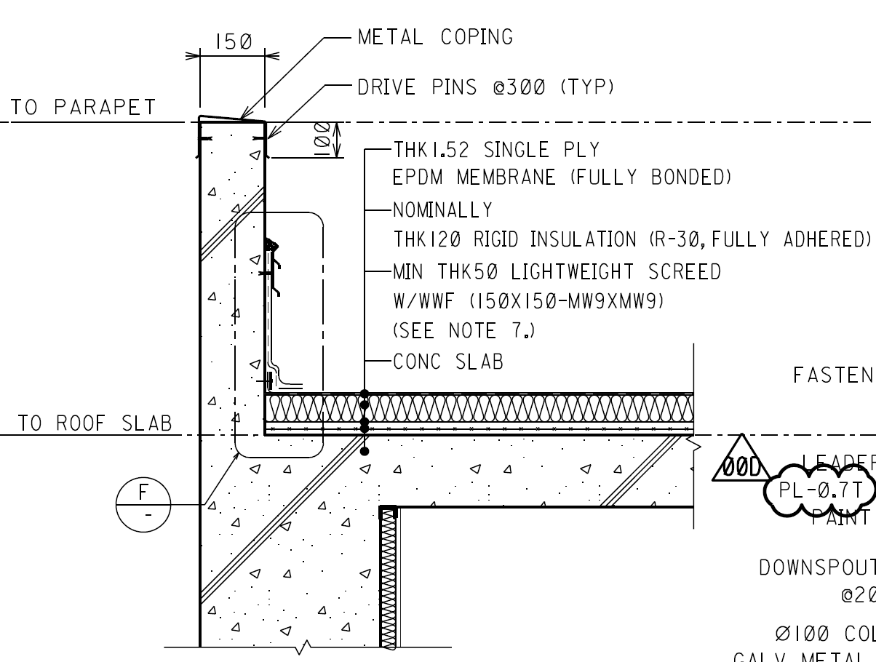
SACE
Control Building(RC) | Library |  | F31A | Non-Slip Unglazed Ceramic Tile on Screed | B32 | Coved Ceramic Tile | W01B | Acrylic Emulsion Paint on Cement Plaster | C95A | Suspended Acoustic Tiled Ceiling (T-Bar) | SACE | TIPO |  |  | Concrete Slab / Steel Trowel Finish *Slope | Asphalt Primer / 2 Layers of Asphalt-Impregnated Roofing Felt | THK.50 Rigid Insulation | 2 Layers of P.E Film (THK.0.1mm) | Min. 15mm Cement Mortar / Concrete Roof Tile (300x300x30) |  | TIPO | TIPO |  |  | Concrete Slab / Steel Trowel Finish *Slope | Asphalt Primer / 2 Layers of Asphalt-Impregnated Roofing Felt | THK.50 Rigid Insulation | 2 Layers of P.E Film (THK.0.1mm) | Min. 15mm Cement Mortar / Concrete Roof Tile (300x300x30)
Control Building(RC) | Library |  | F31A | Non-Slip Unglazed Ceramic Tile on Screed | B32 | Coved Ceramic Tile | W01B | Acrylic Emulsion Paint on Cement Plaster | C95A | Suspended Acoustic Tiled Ceiling (T-Bar) | SACE | GULF |  | 터키업체 설계 | Concrete Slab / Steel Trowel Finish | Light Weight Celular Leveling Concrete (500~550 kg/m3) *Min. Slope 1.5% | Asphalt Primer / Double Layer Modified Bitumen Membrane Waterproofing Thk.3mm | THK.50mm Thermal Insulation Extruded Polystyrene Board (Density 32~35 kg/m3) | Filter Fabric / Gravel 50mm or Cement Paver (400x400x40 w/ Plastic Support) |  | GULF | GULF |  | 터키업체 설계 | Concrete Slab / Steel Trowel Finish | Light Weight Celular Leveling Concrete (500~550 kg/m3) *Min. Slope 1.5% | Asphalt Primer / Double Layer Modified Bitumen Membrane Waterproofing Thk.3mm | THK.50mm Thermal Insulation Extruded Polystyrene Board (Density 32~35 kg/m3) | Filter Fabric / Gravel 50mm or Cement Paver (400x400x40 w/ Plastic Support)
Control Building(RC) | Library |  | F31A | Non-Slip Unglazed Ceramic Tile on Screed | B32 | Coved Ceramic Tile | W01B | Acrylic Emulsion Paint on Cement Plaster | C95A | Suspended Acoustic Tiled Ceiling (T-Bar) | SACE | RAPO |  |  | Concrete Slab / Steel Trowel Finish *Slope 1% (W.W.F #8 150x150) | THK.4 Waterproofing Membrane w/ Cold Worked Prime Coat | THK.75mm Rigid Insulation (Polystyrene) | THK.0.1mm P.E Film 2 Ply | Min. 20mm Bed Mortar / Precast Concrete Roof Tile (400x400x40) |  | RAPO | RAPO |  |  | Concrete Slab / Steel Trowel Finish *Slope 1% (W.W.F #8 150x150) | THK.4 Waterproofing Membrane w/ Cold Worked Prime Coat | THK.75mm Rigid Insulation (Polystyrene) | THK.0.1mm P.E Film 2 Ply | Min. 20mm Bed Mortar / Precast Concrete Roof Tile (400x400x40)
Control Building(RC) | Library |  | F31A | Non-Slip Unglazed Ceramic Tile on Screed | B32 | Coved Ceramic Tile | W01B | Acrylic Emulsion Paint on Cement Plaster | C95A | Suspended Acoustic Tiled Ceiling (T-Bar) | SACE | RAPO (GIS) |  | 현지설계 | Concrete Slab / Steel Trowel Finish | Min.50 Thk. Lightweight Form Concrete, Laid to Fall *slope 1:80 (1.25%) | Bituminous primer - 2 Coats / Bituminous Membrane - 4mm Thick | THK.75mm Extruded Polystyrene Insulation Board | Geo-Textile Water Filtering Membrane - Terram / Precast Concrete Roof Tile (400x400x50) |  | RAPO (GIS) | RAPO (GIS) |  | 현지설계 | Concrete Slab / Steel Trowel Finish | Min.50 Thk. Lightweight Form Concrete, Laid to Fall *slope 1:80 (1.25%) | Bituminous primer - 2 Coats / Bituminous Membrane - 4mm Thick | THK.75mm Extruded Polystyrene Insulation Board | Geo-Textile Water Filtering Membrane - Terram / Precast Concrete Roof Tile (400x400x50)
Control Building(RC) | Library |  | F31A | Non-Slip Unglazed Ceramic Tile on Screed | B32 | Coved Ceramic Tile | W01B | Acrylic Emulsion Paint on Cement Plaster | C95A | Suspended Acoustic Tiled Ceiling (T-Bar) | SACE | Jebel-L |  |  | Concrete Slab | Min. THK.40 Slope Screed | THK.4 Waterproofing Membrane | 2 Layers of THK.50 Roofmate Sheet | 2 Layers of THK.0.1 Non-woven Polypropylene | THK.20 Sand / Building Paper / Concrete Roof Tile (400x400x40) w/ THK.20 Mortar Bedding | Jebel-L | Jebel-L |  |  | Concrete Slab | Min. THK.40 Slope Screed | THK.4 Waterproofing Membrane | 2 Layers of THK.50 Roofmate Sheet | 2 Layers of THK.0.1 Non-woven Polypropylene | THK.20 Sand / Building Paper / Concrete Roof Tile (400x400x40) w/ THK.20 Mortar Bedding
Control Building(RC) | Library |  | F31A | Non-Slip Unglazed Ceramic Tile on Screed | B32 | Coved Ceramic Tile | W01B | Acrylic Emulsion Paint on Cement Plaster | C95A | Suspended Acoustic Tiled Ceiling (T-Bar) | SACE | 평택탈황 (서부발전) |  |  | Concrete Slab | THK.3 Sheet 방수 | THK.50mm Insulation | THK.0.1mm P.E Film 2 Ply | THK.60 Lightweight Concrete w/ Wiremesh #8-150x150 |  | 평택탈황 (서부발전) | 평택탈황 (서부발전) |  |  | Concrete Slab | THK.3 Sheet 방수 | THK.50mm Insulation | THK.0.1mm P.E Film 2 Ply | THK.60 Lightweight Concrete w/ Wiremesh #8-150x150
Control Building(RC) | Library |  | F31A | Non-Slip Unglazed Ceramic Tile on Screed | B32 | Coved Ceramic Tile | W01B | Acrylic Emulsion Paint on Cement Plaster | C95A | Suspended Acoustic Tiled Ceiling (T-Bar) | SACE | 안동 (남부발전) |  |  | Concrete Slab / Steel Trowel Finish | 일체형 복합방수 | THK.110mm Insulation(압출보온판 "가"급) | THK.0.1mm P.E Film 2 Ply | THK.60(min) 무근콘크리트(25-24-12) w/ #8-150x150 W.W.F. *Slope 1% |  | 안동 (남부발전) | 안동 (남부발전) |  |  | Concrete Slab / Steel Trowel Finish | 일체형 복합방수 | THK.110mm Insulation(압출보온판 "가"급) | THK.0.1mm P.E Film 2 Ply | THK.60(min) 무근콘크리트(25-24-12) w/ #8-150x150 W.W.F. *Slope 1%
Control Building(RC) | Library |  | F31A | Non-Slip Unglazed Ceramic Tile on Screed | B32 | Coved Ceramic Tile | W01B | Acrylic Emulsion Paint on Cement Plaster | C95A | Suspended Acoustic Tiled Ceiling (T-Bar) | SACE | KLNG |  |  | Concrete Slab | Min. THK50 Lightweight Concrete (Cement Screed on Lightweight Concrete for Surface Treatment) | Bituminous Coating / 4mm Bituminous Waterproofing Membrane | THK.50mm Extruded Polystyrene Rigid Board | THK.0.15mm Polyethylene Sheet | 50mm Concrete Topping with Welded Wire Fabric | KLNG | KLNG |  |  | Concrete Slab | Min. THK50 Lightweight Concrete (Cement Screed on Lightweight Concrete for Surface Treatment) | Bituminous Coating / 4mm Bituminous Waterproofing Membrane | THK.50mm Extruded Polystyrene Rigid Board | THK.0.15mm Polyethylene Sheet | 50mm Concrete Topping with Welded Wire Fabric
 |  |  |  | 기준:Concrete Slab |  | 기준:Masonry Wall |  | 기준:Masonry Wall |  | 기준:Concrete Slab |  | Cladding Roof (Steel Building) |  |  |  |  |  |  |  |  |  | Cladding Roof (Steel Building)
 | Office |  | F31A | Non-Slip Unglazed Ceramic Tile on Screed | B32 | Coved Ceramic Tile | W01B | Acrylic Emulsion Paint on Cement Plaster | C95A | Suspended Acoustic Tiled Ceiling (T-Bar)
Control Building(RC) | Shift Superintendent |  | F31A | Non-Slip Unglazed Ceramic Tile on Screed | B32 | Coved Ceramic Tile | W01B | Acrylic Emulsion Paint on Cement Plaster | C95A | Suspended Acoustic Tiled Ceiling (T-Bar) | SACE | LECO | Extruder Building(ST) |  |  | THK150 Glasswool Panel w/ 불연강판 |  |  |  |  | LECO | LECO | Extruder Building(ST) |  |  | THK150 Glasswool Panel w/ 불연강판
Control Building(RC) | Shift Superintendent |  | F31A | Non-Slip Unglazed Ceramic Tile on Screed | B32 | Coved Ceramic Tile | W01B | Acrylic Emulsion Paint on Cement Plaster | C95A | Suspended Acoustic Tiled Ceiling (T-Bar) | SACE | LECO | Process Building(ST) |  |  | THK150 내화 Glasswool Panel (0.5HR) w/ 불연강판 |  |  |  |  | LECO | LECO | Process Building(ST) |  |  | THK150 내화 Glasswool Panel (0.5HR) w/ 불연강판
Control Building(RC) | Shift Superintendent |  | F31A | Non-Slip Unglazed Ceramic Tile on Screed | B32 | Coved Ceramic Tile | W01B | Acrylic Emulsion Paint on Cement Plaster | C95A | Suspended Acoustic Tiled Ceiling (T-Bar) | SACE | RAPO | Gas Turbine Building(ST) |  |  | THK75 Thermal Insulated Trapezoidal AL. Cladding |  |  |  |  | RAPO | RAPO | Gas Turbine Building(ST) |  |  | THK75 Thermal Insulated Trapezoidal AL. Cladding

 | 2023-01-24

E-Space Room List
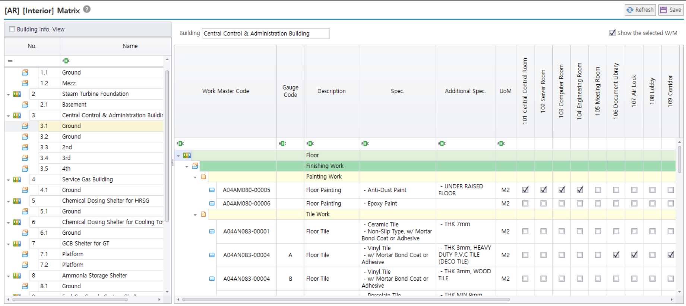
Project : 현대오일뱅크 대산 지역열병합 발전소 건설 공사
Building : Central Control & Administration Building
Floor : Ground
Room Name | Standard Room | EA | Occupancy | Width (m) | Length (m) | C.H. or Height (m) | Area (m2) | Rate (m2/1p) | Remark | Sort No.
101 Central Control Room | Central Control Room | 1 |  | 13.20 | 15.00 | 3.00 | 198.00 | 198.00 | 기본 면적으로 적용함. (Serverroom 면적 포함) | 0
102 Server Room | Server Room | 1 |  | 6.00 | 0.00 | 0.00 | 0.00 | 0.00 |  | 0
103 Computer Room | Computer Room | 1 |  | 3.80 | 7.50 | 3.00 | 28.50 | 28.50 |  | 0
104 Engineering Room | Engineering Work Room | 1 |  | 3.80 | 7.50 | 3.00 | 28.50 | 28.50 |  | 0
105 Meeting Room | Meeting Room | 1 |  | 8.00 | 4.00 | 3.00 | 32.00 | 32.00 |  | 0
106 Document Library | Document Room | 1 |  | 8.00 | 7.50 | 3.00 | 60.00 | 60.00 |  | 0
107 Air Lock | Air Lock | 1 |  | 3.10 | 3.50 | 3.00 | 10.85 | 10.85 |  | 0
108 Lobby | Reception | 1 |  | 2.90 | 3.50 | 3.00 | 10.15 | 10.15 |  | 0
109 Corridor | Corridor | 1 |  | 3.00 | 33.35 | 3.00 | 100.05 | 100.05 |  | 0
110 Conference Room | Conference Room | 1 |  | 6.00 | 11.50 | 3.00 | 69.00 | 69.00 |  | 0
111 Canteen | Canteen (Dining Room) | 1 |  | 6.00 | 11.00 | 3.00 | 66.00 | 66.00 |  | 0
112 Rest Room(M) | Rest Room | 1 |  | 7.35 | 6.00 | 3.00 | 44.10 | 44.10 |  | 0
113 Rest Room(W) | Rest Room | 1 |  | 7.00 | 2.60 | 3.00 | 18.20 | 18.20 |  | 0
114 SFC Room | FM200 cylinder room | 1 |  | 3.35 | 5.40 | 5.40 | 18.09 | 18.09 |  | 0
115 F.O. Tank Room | Oil Room | 1 |  | 3.65 | 5.40 | 5.40 | 19.71 | 19.71 |  | 0
118 Locker room | Locker room | 1 |  | 7.50 | 8.00 | 3.00 | 60.00 | 60.00 |  | 0
119 Shower room | Shower room | 1 |  | 3.50 | 8.00 | 2.70 | 28.00 | 28.00 |  | 0
122 Toilet(M) | Toilet | 1 |  | 5.90 | 4.00 | 2.70 | 23.60 | 23.60 |  | 0
123 Toilet(W) | Toilet | 1 |  | 5.40 | 3.50 | 2.70 | 18.90 | 18.90 |  | 0
124 Toilet(UA-M) | Toilet | 1 |  | 4.00 | 2.10 | 2.70 | 8.40 | 8.40 |  | 0
125 Toilet(UA-W) | Toilet | 1 |  | 3.50 | 2.60 | 2.70 | 9.10 | 9.10 |  | 0
126 Stair case | Stair case | 1 |  | 3.65 | 9.00 | 5.40 | 32.85 | 32.85 |  | 0

 |  |  |  |  |  | Area Validation
 |  |  |  |  |  | Total Room Area (m2, A) : |  | 884
 |  |  |  |  |  | Total Floor Area (m2, B) :
 |  |  |  |  |  | Deviation (m2, B-A) : |  | -884

도면
